Home
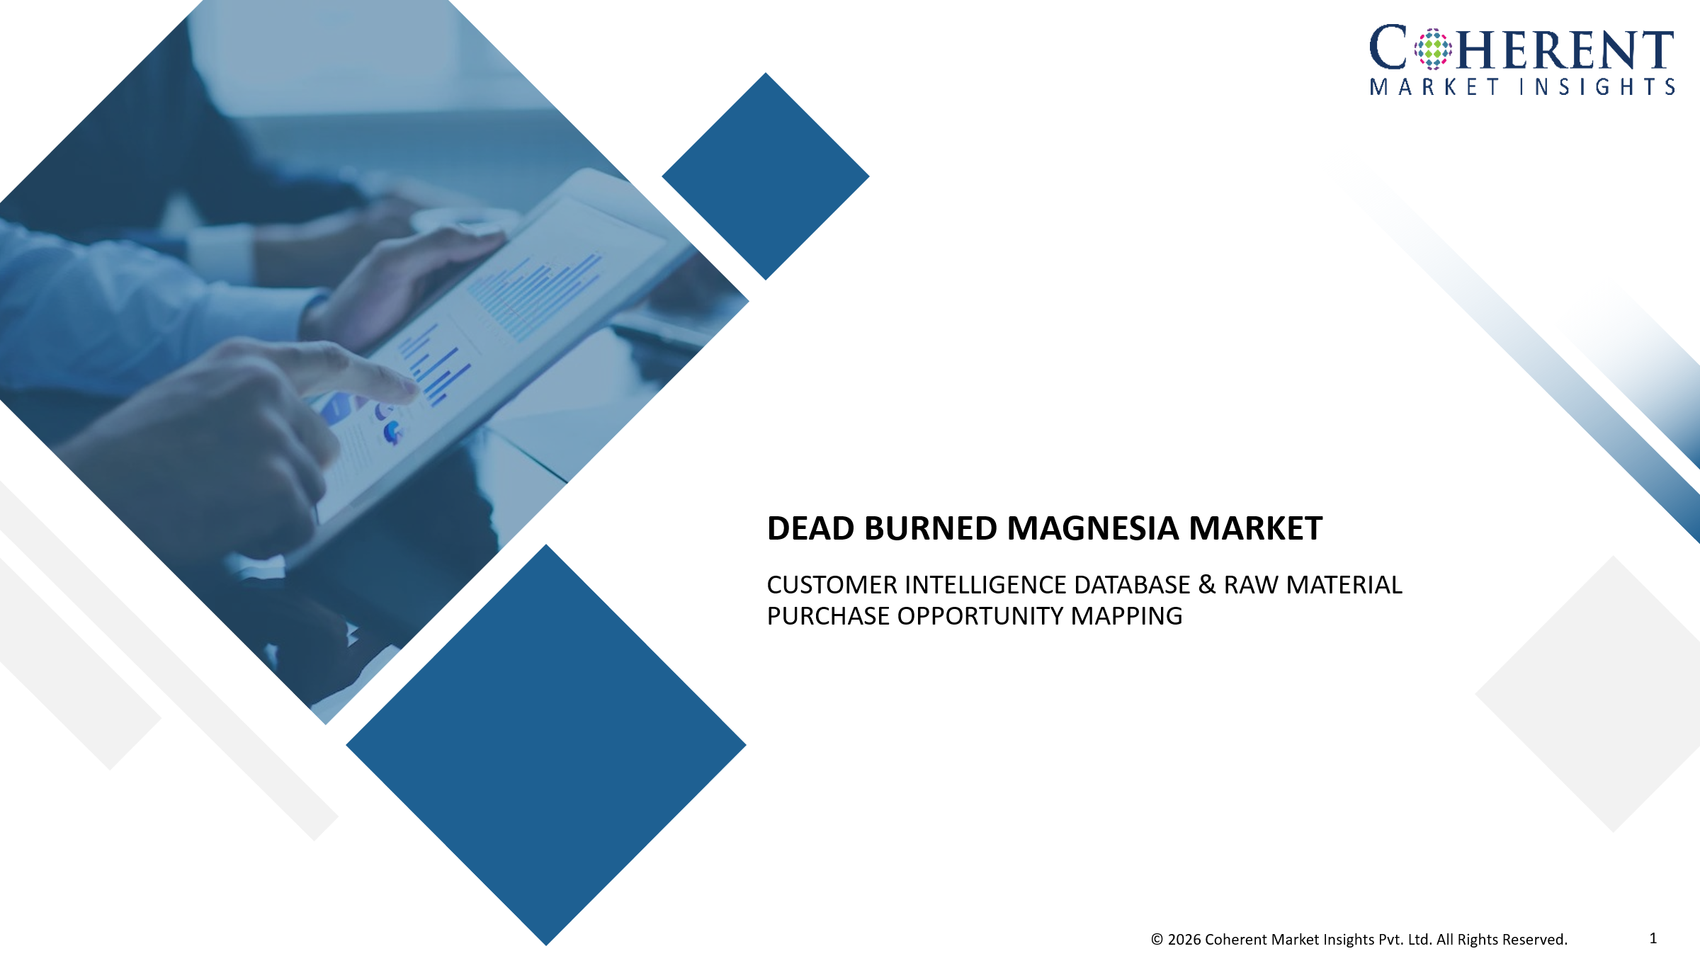

Preposition 1
Preposition 2

Preposition 3

Preposition 1
Home
Target Dead Burned Magnesia Customers – Buyer Database Database covering dead burned magnesia buyers by product requirement, application, end-use industry, technical requirements, and Justhigh product fit.

S.No. | Company & Facility Identification
 | Corporate Details |  |  |  | Customer Segment Mapping
 | Company Name (Parent Company) | Year of Establishment | Headquarters | Revenue (US$ Mn) | End-Use Industry (Refractory Manufacturing, Iron & Steel, Cement & Lime, Others) | Customer Sub-Segment (Basic Brick Manufacturing, Ladle Linings, Cement Kiln Linings, Others) | Facility Status (Operating, Expansion, New Project, Others)
1 | Customer 1 | xx | xx | xx | xx | xx | xx
2 | Customer 2 | xx | xx | xx | xx | xx | xx
3 | Customer 3 | xx | xx | xx | xx | xx | xx
4 | Customer 4 | xx | xx | xx | xx | xx | xx
5 | Customer 5 | xx | xx | xx | xx | xx | xx
6 | Customer 6 | xx | xx | xx | xx | xx | xx
7 | Customer 7 | xx | xx | xx | xx | xx | xx
8 | Customer 8 | xx | xx | xx | xx | xx | xx
9 | Customer 9 | xx | xx | xx | xx | xx | xx
10 | Customer 10 | xx | xx | xx | xx | xx | xx
11 | Customer 11 | xx | xx | xx | xx | xx | xx
12 | Customer 12 | xx | xx | xx | xx | xx | xx
13 | Customer 13 | xx | xx | xx | xx | xx | xx
14 | Customer 14 | xx | xx | xx | xx | xx | xx
15 | Customer 15 | xx | xx | xx | xx | xx | xx
16 | Customer 16 | xx | xx | xx | xx | xx | xx
17 | Customer 17 | xx | xx | xx | xx | xx | xx
18 | Customer 18 | xx | xx | xx | xx | xx | xx
19 | Customer 19 | xx | xx | xx | xx | xx | xx
20 | Customer 20 | xx | xx | xx | xx | xx | xx
21 | Customer 21 | xx | xx | xx | xx | xx | xx
22 | Customer 22 | xx | xx | xx | xx | xx | xx
23 | Customer 23 | xx | xx | xx | xx | xx | xx
24 | Customer 24 | xx | xx | xx | xx | xx | xx
25 | Customer 25 | xx | xx | xx | xx | xx | xx
26 | Customer 26 | xx | xx | xx | xx | xx | xx
27 | Customer 27 | xx | xx | xx | xx | xx | xx
28 | Customer 28 | xx | xx | xx | xx | xx | xx
29 | Customer 29 | xx | xx | xx | xx | xx | xx
30 | Customer 30 | xx | xx | xx | xx | xx | xx
31 | Customer 31 | xx | xx | xx | xx | xx | xx
32 | Customer 32 | xx | xx | xx | xx | xx | xx
33 | Customer 33 | xx | xx | xx | xx | xx | xx
xx | Customer xx | xx | xx | xx | xx | xx | xx
60 | Customer 40 | xx | xx | xx | xx | xx | xx

Preposition 2
Home
Target Dead Burned Magnesia Customers – Buyer Database Database covering dead burned magnesia buyers by product requirement, application, end-use industry, technical requirements, and Justhigh product fit.

S.No. | Company & Facility Identification |  |  |  |  |  |  | Decision-Maker Contact Details
 | Corporate Details |  |  |  | Customer Segment Mapping |  |  | Name | Designation | Email | Phone / Mobile | Linkedin Address
 | Company Name (Parent Company) | Year of Establishment | Headquarters | Revenue (US$ Mn) | End-Use Industry (Refractory Manufacturing, Iron & Steel, Cement & Lime, Others) | Customer Sub-Segment (Basic Brick Manufacturing, Ladle Linings, Cement Kiln Linings, Others) | Facility Status (Operating, Expansion, New Project, Others)
1 | Customer 1 | xx | xx | xx | xx | xx | xx | xx | xx | xx | xx | xx
2 | Customer 2 | xx | xx | xx | xx | xx | xx | xx | xx | xx | xx | xx
3 | Customer 3 | xx | xx | xx | xx | xx | xx | xx | xx | xx | xx | xx
4 | Customer 4 | xx | xx | xx | xx | xx | xx | xx | xx | xx | xx | xx
5 | Customer 5 | xx | xx | xx | xx | xx | xx | xx | xx | xx | xx | xx
6 | Customer 6 | xx | xx | xx | xx | xx | xx | xx | xx | xx | xx | xx
7 | Customer 7 | xx | xx | xx | xx | xx | xx | xx | xx | xx | xx | xx
8 | Customer 8 | xx | xx | xx | xx | xx | xx | xx | xx | xx | xx | xx
9 | Customer 9 | xx | xx | xx | xx | xx | xx | xx | xx | xx | xx | xx
10 | Customer 10 | xx | xx | xx | xx | xx | xx | xx | xx | xx | xx | xx
11 | Customer 11 | xx | xx | xx | xx | xx | xx | xx | xx | xx | xx | xx
12 | Customer 12 | xx | xx | xx | xx | xx | xx | xx | xx | xx | xx | xx
13 | Customer 13 | xx | xx | xx | xx | xx | xx | xx | xx | xx | xx | xx
14 | Customer 14 | xx | xx | xx | xx | xx | xx | xx | xx | xx | xx | xx
15 | Customer 15 | xx | xx | xx | xx | xx | xx | xx | xx | xx | xx | xx
16 | Customer 16 | xx | xx | xx | xx | xx | xx | xx | xx | xx | xx | xx
17 | Customer 17 | xx | xx | xx | xx | xx | xx | xx | xx | xx | xx | xx
18 | Customer 18 | xx | xx | xx | xx | xx | xx | xx | xx | xx | xx | xx
19 | Customer 19 | xx | xx | xx | xx | xx | xx | xx | xx | xx | xx | xx
20 | Customer 20 | xx | xx | xx | xx | xx | xx | xx | xx | xx | xx | xx
21 | Customer 21 | xx | xx | xx | xx | xx | xx | xx | xx | xx | xx | xx
22 | Customer 22 | xx | xx | xx | xx | xx | xx | xx | xx | xx | xx | xx
23 | Customer 23 | xx | xx | xx | xx | xx | xx | xx | xx | xx | xx | xx
24 | Customer 24 | xx | xx | xx | xx | xx | xx | xx | xx | xx | xx | xx
25 | Customer 25 | xx | xx | xx | xx | xx | xx | xx | xx | xx | xx | xx
26 | Customer 26 | xx | xx | xx | xx | xx | xx | xx | xx | xx | xx | xx
27 | Customer 27 | xx | xx | xx | xx | xx | xx | xx | xx | xx | xx | xx
28 | Customer 28 | xx | xx | xx | xx | xx | xx | xx | xx | xx | xx | xx
29 | Customer 29 | xx | xx | xx | xx | xx | xx | xx | xx | xx | xx | xx
30 | Customer 30 | xx | xx | xx | xx | xx | xx | xx | xx | xx | xx | xx
31 | Customer 31 | xx | xx | xx | xx | xx | xx | xx | xx | xx | xx | xx
32 | Customer 32 | xx | xx | xx | xx | xx | xx | xx | xx | xx | xx | xx
33 | Customer 33 | xx | xx | xx | xx | xx | xx | xx | xx | xx | xx | xx
xx | Customer xx | xx | xx | xx | xx | xx | xx | xx | xx | xx | xx | xx
60 | Customer 40 | xx | xx | xx | xx | xx | xx | xx | xx | xx | xx | xx

Preposition 3
Home
Target Dead Burned Magnesia Customers – Buyer Database Database covering dead burned magnesia buyers by product requirement, application, end-use industry, technical requirements, and Justhigh product fit.

S.No. | Company & Facility Identification |  |  |  |  |  |  | Decision-Maker Contact Details |  |  |  |  | Product Requirement Mapping |  |  |  | Technical Requirement Profile |  | Buying & Procurement Insights |  |  | Customer Size & Purchase Potential
 | Corporate Details |  |  |  | Customer Segment Mapping |  |  | Name | Designation | Email | Phone / Mobile | Linkedin Address | Required Product (Natural Magnesite-Based DBM, Synthetic / Seawater-Based DBM, Brucite-Based DBM, Others) | MgO Content Required (90%–92.9%, 93%–95.9%, 96%–97.9%, Others) | Bulk Density Requirement (Standard Density DBM, High-Density DBM, Ultra-Dense DBM, Others) | Form Required (Lumps, Granules, Fine Powder, Others) | Performance Requirement (Slag Resistance, Hydration Resistance, Thermal Shock Resistance, Others) | Certification Requirement (COA, MSDS, Technical Data Sheet, Others) | Buying Model (Direct Purchase, Distributor-Led Purchase, Annual Contract, Others) | Purchase Frequency (Monthly, Quarterly, Annual, Others) | Existing Supplier / Competitor Supplier | Customer Size (Small, Medium, Large, Strategic Account) | Estimated Annual Purchase Volume (Low, Medium, High, Tons/Year) | Supplier Switching Potential (Low, Medium, High)
 | Company Name (Parent Company) | Year of Establishment | Headquarters | Revenue (US$ Mn) | End-Use Industry (Refractory Manufacturing, Iron & Steel, Cement & Lime, Others) | Customer Sub-Segment (Basic Brick Manufacturing, Ladle Linings, Cement Kiln Linings, Others) | Facility Status (Operating, Expansion, New Project, Others)
1 | Customer 1 | xx | xx | xx | xx | xx | xx | xx | xx | xx | xx | xx | xx | xx | xx | xx | xx | xx | xx | xx | xx | xx | xx | xx | xx
2 | Customer 2 | xx | xx | xx | xx | xx | xx | xx | xx | xx | xx | xx | xx | xx | xx | xx | xx | xx | xx | xx | xx | xx | xx | xx | xx
3 | Customer 3 | xx | xx | xx | xx | xx | xx | xx | xx | xx | xx | xx | xx | xx | xx | xx | xx | xx | xx | xx | xx | xx | xx | xx | xx
4 | Customer 4 | xx | xx | xx | xx | xx | xx | xx | xx | xx | xx | xx | xx | xx | xx | xx | xx | xx | xx | xx | xx | xx | xx | xx | xx
5 | Customer 5 | xx | xx | xx | xx | xx | xx | xx | xx | xx | xx | xx | xx | xx | xx | xx | xx | xx | xx | xx | xx | xx | xx | xx | xx
6 | Customer 6 | xx | xx | xx | xx | xx | xx | xx | xx | xx | xx | xx | xx | xx | xx | xx | xx | xx | xx | xx | xx | xx | xx | xx | xx
7 | Customer 7 | xx | xx | xx | xx | xx | xx | xx | xx | xx | xx | xx | xx | xx | xx | xx | xx | xx | xx | xx | xx | xx | xx | xx | xx
8 | Customer 8 | xx | xx | xx | xx | xx | xx | xx | xx | xx | xx | xx | xx | xx | xx | xx | xx | xx | xx | xx | xx | xx | xx | xx | xx
9 | Customer 9 | xx | xx | xx | xx | xx | xx | xx | xx | xx | xx | xx | xx | xx | xx | xx | xx | xx | xx | xx | xx | xx | xx | xx | xx
10 | Customer 10 | xx | xx | xx | xx | xx | xx | xx | xx | xx | xx | xx | xx | xx | xx | xx | xx | xx | xx | xx | xx | xx | xx | xx | xx
11 | Customer 11 | xx | xx | xx | xx | xx | xx | xx | xx | xx | xx | xx | xx | xx | xx | xx | xx | xx | xx | xx | xx | xx | xx | xx | xx
12 | Customer 12 | xx | xx | xx | xx | xx | xx | xx | xx | xx | xx | xx | xx | xx | xx | xx | xx | xx | xx | xx | xx | xx | xx | xx | xx
13 | Customer 13 | xx | xx | xx | xx | xx | xx | xx | xx | xx | xx | xx | xx | xx | xx | xx | xx | xx | xx | xx | xx | xx | xx | xx | xx
14 | Customer 14 | xx | xx | xx | xx | xx | xx | xx | xx | xx | xx | xx | xx | xx | xx | xx | xx | xx | xx | xx | xx | xx | xx | xx | xx
15 | Customer 15 | xx | xx | xx | xx | xx | xx | xx | xx | xx | xx | xx | xx | xx | xx | xx | xx | xx | xx | xx | xx | xx | xx | xx | xx
16 | Customer 16 | xx | xx | xx | xx | xx | xx | xx | xx | xx | xx | xx | xx | xx | xx | xx | xx | xx | xx | xx | xx | xx | xx | xx | xx
17 | Customer 17 | xx | xx | xx | xx | xx | xx | xx | xx | xx | xx | xx | xx | xx | xx | xx | xx | xx | xx | xx | xx | xx | xx | xx | xx
18 | Customer 18 | xx | xx | xx | xx | xx | xx | xx | xx | xx | xx | xx | xx | xx | xx | xx | xx | xx | xx | xx | xx | xx | xx | xx | xx
19 | Customer 19 | xx | xx | xx | xx | xx | xx | xx | xx | xx | xx | xx | xx | xx | xx | xx | xx | xx | xx | xx | xx | xx | xx | xx | xx
20 | Customer 20 | xx | xx | xx | xx | xx | xx | xx | xx | xx | xx | xx | xx | xx | xx | xx | xx | xx | xx | xx | xx | xx | xx | xx | xx
21 | Customer 21 | xx | xx | xx | xx | xx | xx | xx | xx | xx | xx | xx | xx | xx | xx | xx | xx | xx | xx | xx | xx | xx | xx | xx | xx
22 | Customer 22 | xx | xx | xx | xx | xx | xx | xx | xx | xx | xx | xx | xx | xx | xx | xx | xx | xx | xx | xx | xx | xx | xx | xx | xx
23 | Customer 23 | xx | xx | xx | xx | xx | xx | xx | xx | xx | xx | xx | xx | xx | xx | xx | xx | xx | xx | xx | xx | xx | xx | xx | xx
24 | Customer 24 | xx | xx | xx | xx | xx | xx | xx | xx | xx | xx | xx | xx | xx | xx | xx | xx | xx | xx | xx | xx | xx | xx | xx | xx
25 | Customer 25 | xx | xx | xx | xx | xx | xx | xx | xx | xx | xx | xx | xx | xx | xx | xx | xx | xx | xx | xx | xx | xx | xx | xx | xx
26 | Customer 26 | xx | xx | xx | xx | xx | xx | xx | xx | xx | xx | xx | xx | xx | xx | xx | xx | xx | xx | xx | xx | xx | xx | xx | xx
27 | Customer 27 | xx | xx | xx | xx | xx | xx | xx | xx | xx | xx | xx | xx | xx | xx | xx | xx | xx | xx | xx | xx | xx | xx | xx | xx
28 | Customer 28 | xx | xx | xx | xx | xx | xx | xx | xx | xx | xx | xx | xx | xx | xx | xx | xx | xx | xx | xx | xx | xx | xx | xx | xx
29 | Customer 29 | xx | xx | xx | xx | xx | xx | xx | xx | xx | xx | xx | xx | xx | xx | xx | xx | xx | xx | xx | xx | xx | xx | xx | xx
30 | Customer 30 | xx | xx | xx | xx | xx | xx | xx | xx | xx | xx | xx | xx | xx | xx | xx | xx | xx | xx | xx | xx | xx | xx | xx | xx
31 | Customer 31 | xx | xx | xx | xx | xx | xx | xx | xx | xx | xx | xx | xx | xx | xx | xx | xx | xx | xx | xx | xx | xx | xx | xx | xx
32 | Customer 32 | xx | xx | xx | xx | xx | xx | xx | xx | xx | xx | xx | xx | xx | xx | xx | xx | xx | xx | xx | xx | xx | xx | xx | xx
33 | Customer 33 | xx | xx | xx | xx | xx | xx | xx | xx | xx | xx | xx | xx | xx | xx | xx | xx | xx | xx | xx | xx | xx | xx | xx | xx
xx | Customer xx | xx | xx | xx | xx | xx | xx | xx | xx | xx | xx | xx | xx | xx | xx | xx | xx | xx | xx | xx | xx | xx | xx | xx | xx
60 | Customer 40 | xx | xx | xx | xx | xx | xx | xx | xx | xx | xx | xx | xx | xx | xx | xx | xx | xx | xx | xx | xx | xx | xx | xx | xx

